Folha1
#319
Photo | Ref. | Brand | Colour | 36 | 37 | 38 | 39 | 40 | 41 | 42 | 43 | 44 | 45 | 46 | Total
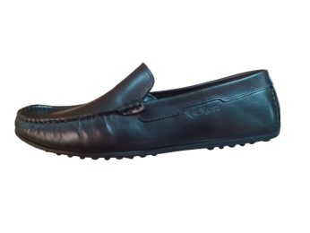 | 9950 | Kickers | Brown Pull Up |  |  | 30 | 30 | 30 | 30 | 30 | 40 | 20 | 20 |  | 230
 | 9950 | Kickers | Black Pull Up |  |  | 70 | 65 | 165 | 154 | 22 | 64 | 20 | 24 |  | 584
 |  |  |  |  |  |  |  |  |  |  |  |  |  |  | 0
 |  |  |  |  |  |  |  |  |  |  |  |  |  |  | 0

 |  |  |  |  |  |  |  |  |  |  |  |  |  |  | 814

